CAN Summary
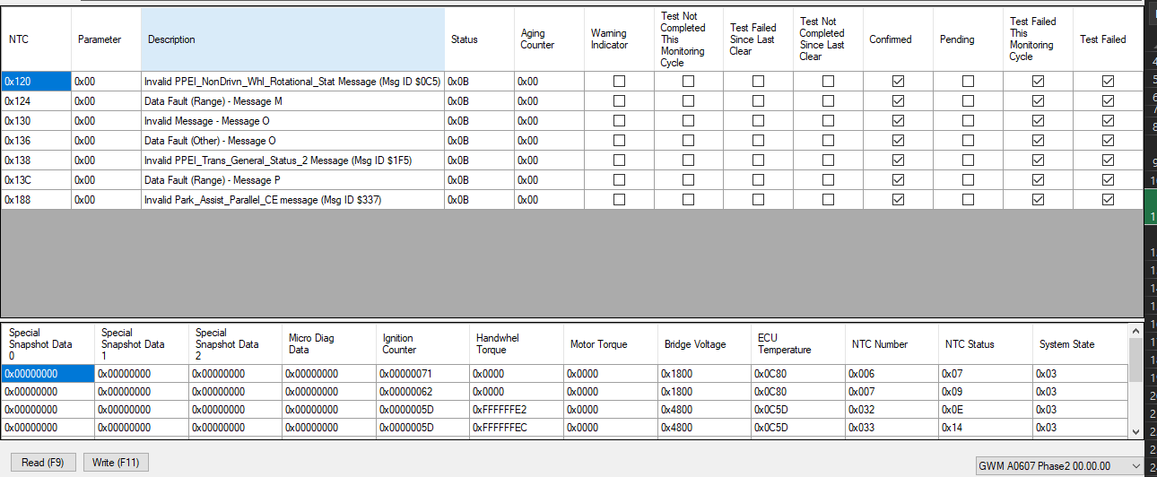
 | CAN Box | comments | CAN ID | Period (ms) | Message
Messages Transmitted by the PSCM |  |  | 0x168 |  |  | EPS1 (MSG ID $168)
 | not use | customer diag | 0x729 |  |  | EPS_PHY_RESP (MSG ID $729)
 | Box 7 |  | 0x63D |  |  | EPS_XCP_TX (MSG ID $63D)
 | Box 11 |  | 0x710 |  |  | CMNMFGSRVRESP (MSG ID $710)

MESSAGES RECEIVED BY THE PSCM | Box 14 | Wss NTC0x124 | 0x231 | 20 ms | CheckSum_ABS1 RollingCounter_ABS1 DataID: High_byte: 0x00 Low_byte:0x26 | ABS1 (MSG ID $231) (CAN)
 | Box 4 | VehSpd = 0 | 0x265 | 20 ms | RollingCounter_ABS3 CheckSum_ABS3 = E2E_CRC DataID: High_byte: 0x00 Low_byte:0x28 | ABS3 (MSG ID $265)(CAN)
 | Box 5 | EngSpd = 0 NTC0x136 | 0x111 | 10 ms | 00 00 00 00 00 00 00 80 | ECM1 (MSG ID $111)(CAN)
 | Box 3 | EngState = 0x02 NTC0x138 | 0x271 | 20 ms | RollingCounter_ECM2 Checksum_ECM2 DataID: High_byte: 0x00 Low_byte:0x1E | ECM2 (MSG ID $271)(CAN)
 | Box 15 | MaxEngTrqNorm NTC0x188 | 0x371 | 100 ms | RollingCounter_ECM3 Checksum_ECM3 DataID: High_byte: 0x00 Low_byte:0x1F | ECM3 (MSG ID $371) (CAN)
 | Box 16 | NetEngTrq NTC0x13C | 0x082 | 10ms | 00 00 00 00 00 00 00 00 00 | ECM4 (MSG ID $082) (CAN)
 | Box 17, not used |  | 0x760 |  |  | DIAG_FUN_REQ (MSG ID $760)
 | not use | customer diag | 0x721 |  |  | EPS_PHY_REQ (MSG ID $721)
 | Box 6 |  | 0x63C | 1 event @ ignition ON |  | EPS_XCP_RX (MSG ID $63C)
 | Box 10 |  | 0x712 | 1 event @ NTC request |  | CMNMFGSRVREQ (MSG ID $712)
 | Box 18 | VehYawRate NTC0x120 | 0x245 | 20ms | CheckSum_ABM2 RollingCounter_ABM2 DataID: High_byte: 0x00 Low_byte:0x3B | ABM2 (Msg ID $245) (CAN/CANFD)
 | Box 19 | SteerWheelAng NTC0x130 | 0x0A1 | 10ms | Checksum_CSA2 Rollingcounter_CSA2 DataID: High_byte: 0x00 Low_byte:0x38 | CSA2 (Msg ID $0A1)(CAN/CANFD)

CRC_RS-E2E
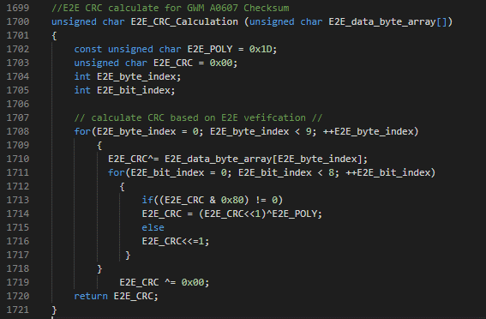
 | MsgID = 0x265
Data_byte_array | Byte1 | Byte2 | CRC | Byte3 | Byte4 | Byte5 | Byte6 | Byte7 | Byte8 | Byte9
 | 0x28 | 0x00 | 5C | 0x20 |  |  |  |  |  | 0x0
 | 0x28 | 0x00 | 41 | 0x20 |  |  |  |  |  | 0x1
 | 0x28 | 0x00 | 66 | 0x20 |  |  |  |  |  | 0x2
 | 0x28 | 0x00 | 7B | 0x20 |  |  |  |  |  | 0x3
 | 0x28 | 0x00 | 28 | 0x20 |  |  |  |  |  | 0x4
 | 0x28 | 0x00 | 35 | 0x20 |  |  |  |  |  | 0x5
 | 0x28 | 0x00 | 12 | 0x20 |  |  |  |  |  | 0x6
 | 0x28 | 0x00 | 0F | 0x20 |  |  |  |  |  | 0x7
 | 0x28 | 0x00 | B4 | 0x20 |  |  |  |  |  | 0x8
 | 0x28 | 0x00 | A9 | 0x20 |  |  |  |  |  | 0x9
 | 0x28 | 0x00 | 8E | 0x20 |  |  |  |  |  | 0xA
 | 0x28 | 0x00 | 93 | 0x20 |  |  |  |  |  | 0xB
 | 0x28 | 0x00 | C0 | 0x20 |  |  |  |  |  | 0xC
 | 0x28 | 0x00 | DD | 0x20 |  |  |  |  |  | 0xD
 | 0x28 | 0x00 | FA | 0x20 |  |  |  |  |  | 0xE
 | 0x28 | 0x00 | E7 | 0x20 |  |  |  |  |  | 0xF

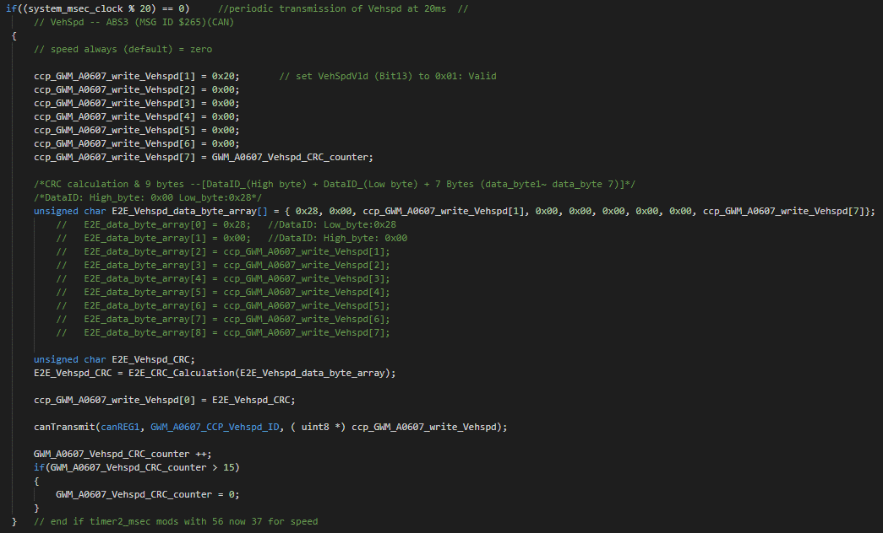
 | MsgID = 0x271
Data_byte_array | Byte1 | Byte2 | CRC | Byte3 | Byte4 | Byte5 | Byte6 | Byte7 | Byte8 | Byte9
 | 0x1E | 0x00 | 41 |  |  |  |  |  |  | 0x40
 | 0x1E | 0x00 | 5C |  |  |  |  |  |  | 0x41
 | 0x1E | 0x00 | 7B |  |  |  |  |  |  | 0x42
 | 0x1E | 0x00 | 66 |  |  |  |  |  |  | 0x43
 | 0x1E | 0x00 | 35 |  |  |  |  |  |  | 0x44
 | 0x1E | 0x00 | 28 |  |  |  |  |  |  | 0x45
 | 0x1E | 0x00 | 0F |  |  |  |  |  |  | 0x46
 | 0x1E | 0x00 | 12 |  |  |  |  |  |  | 0x47
 | 0x1E | 0x00 | A9 |  |  |  |  |  |  | 0x48
 | 0x1E | 0x00 | B4 |  |  |  |  |  |  | 0x49
 | 0x1E | 0x00 | 93 |  |  |  |  |  |  | 0x4A
 | 0x1E | 0x00 | 8E |  |  |  |  |  |  | 0x4B
 | 0x1E | 0x00 | DD |  |  |  |  |  |  | 0xC
 | 0x1E | 0x00 | C0 |  |  |  |  |  |  | 0x4D
 | 0x1E | 0x00 | E7 |  |  |  |  |  |  | 0x4E
 | 0x1E | 0x00 | FA |  |  |  |  |  |  | 0x4F

Torque Analog
 |  |  | To use Analog Torque control, T1 and T2 values will be changed during Set_Torque() call.

 |  |  | Set_Torque() will only change dedicated T1, T2 DtoA channels #6 and #7.

 |  |  | Code also assumes that the default date set has been loaded during program initization.

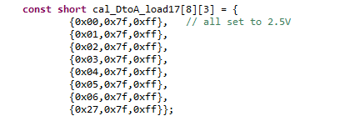

 | Torque in Nm *0.2 +2.5V = Total volts on 0 to 5volt scale
 | with voltage range of .5 to 4.5 volts
 |  | Max Range in Nm |  | (ratio)
` | user enter --> | 10 |  | 0.2

Nm | T1 Volts | T2 Volts |  | 0xFFFF / 5 volts (full Scale) |  | number of ticks (0x0000 to 0xFFFF) fullscale
 |  |  |  |  | T1 ticks | T2 Ticks |  | T1 hex | T2 hex
0.0 | 2.5 | 2.5 |  | times 13,107dec/volt = | 32767.5 | 32767.5 | in hex | 7FFF | 7FFF
0.1 | 2.52 | 2.48 |  | times 13,107dec/volt = | 33029.64 | 32505.36 | in hex | 8105 | 7EF9
0.5 | 2.6 | 2.4 |  | times 13,107dec/volt = | 34078.2 | 31456.8 | in hex | 851E | 7AE0
1.0 | 2.7 | 2.3 |  | times 13,107dec/volt = | 35388.9 | 30146.1 | in hex | 8A3C | 75C2
2.0 | 2.9 | 2.1 |  | times 13,107dec/volt = | 38010.3 | 27524.7 | in hex | 947A | 6B84
3.0 | 3.1 | 1.9 |  | times 13,107dec/volt = | 40631.7 | 24903.3 | in hex | 9EB7 | 6147
4.0 | 3.3 | 1.7 |  | times 13,107dec/volt = | 43253.1 | 22281.9 | in hex | A8F5 | 5709
6.0 | 3.7 | 1.3 |  | times 13,107dec/volt = | 48495.9 | 17039.1 | in hex | BD6F | 428F
8.0 | 4.1 | 0.9
9.0 | 4.3 | 0.7
10.0 | 4.5 | 0.5

GM CAN IDs-messages
GM SGMW CN100 EA4

CIB CAN messages transmitted to the EPS controller

 | CAN ID's 11 bit | # BYTES | Periodic Time (ms)

Periodic | Trans Average Vehicle Speed to EPS
 | $17D | 8 | 100ms |  |  |  |  |  |  |  |  |  | #define CN100_ECU1_CAN1_CCP_EA4_AvgVehSpd_ID canMESSAGE_BOX14 // 0x17D 11bit identifier-- Trans ABS message to EPS
 | messages |  |  | byte(0) | byte(1) | byte(2) | byte(3) | byte(4) | byte(5) | byte(6) | byte(7)
 | 0 KPH |  |  | x00 | x00 | x00 | x00 | x00 | x00 | x00 | x00
 | 25 KPH |  |  | x00 | x00 | x00 | x00 | x00 | x9C | x40 | x00
 | 50 KPH |  |  | x00 | x00 | x00 | x00 | x01 | x38 | x80 | x00
 | 75 KPH |  |  | x00 | x00 | x00 | x00 | x01 | xD4 | xC0 | x00
 | 100 KPH |  |  | x00 | x00 | x00 | x00 | x02 | x71 | x00 | x00
 | 255 KPH - Used to signal TC init to 0Deg |  |  | x00 | x00 | x00 | x00 | x00 | x00 | x00 | x00

Periodic | Trans Speed to EPS |  |  |  |  |  |  | L. Cronk 12SEP17 Cleaned -Up |  |  |  |  | #define CN100_ECU1_CAN1_CCP_SPEED_ID canMESSAGE_BOX5 // 0x3E9 11bit identifier-- Trans Speed to EPS
 | $3E9 | 8 | 20ms
 | messages |  |  | byte(0) | byte(1) | byte(2) | byte(3) | byte(4) | byte(5) | byte(6) | byte(7)
 | 0 KPH |  |  | x00 | x00 | x00 | x00 | x00 | x00 | x00 | x00
 | 25 KPH |  |  | x00 | x09 | xC4 | x00 | x00 | x00 | x00 | x00
 | 50 KPH |  |  | x00 | x13 | x88 | x00 | x00 | x00 | x00 | x00
 | 75 KPH |  |  | x00 | x1D | x4C | x00 | x00 | x00 | x00 | x00
 | 100 KPH |  |  | x00 | x27 | x10 | x00 | x00 | x00 | x00 | x00
 | 255 KPH - Used to signal TC init to 0Deg |  |  | x00 | x63 | x9C | x00 | x00 | x00 | x00 | x00

Periodic | Trans Engine ON to EPS |  |  |  | byte(7) | byte(6) | byte(5) | byte(4) | byte(3) | byte(2) | byte(1) | byte(0)
 | $0C9 | 8 | 12ms |  |  |  |  |  |  |  |  |  | #define CN100_ECU1_CAN1_CCP_Engine_Run canMESSAGE_BOX3 // 0x0C9 11bit identifier-- Trans Engine ON to EPS
 |  | Engine Run Active |  | TRUE | D.C. | D.C. | D.C. | D.C. | D.C. | D.C. | D.C. | x80
 |  |  |  | FALSE | D.C. | D.C. | D.C. | D.C. | D.C. | D.C. | D.C. | x00

Periodic | Trans Power Mode to EPS
 | $1F1 | 8 |  | 100ms |  |  |  |  |  |  |  |  | #define CN100_ECU1_CAN1_CCP_Power_Mode_ID canMESSAGE_BOX4 // 0x1F1 11bit identifier-- Trans Power Mode to EPS
 |  |  |  |  | byte(7) | byte(6) | byte(5) | byte(4) | byte(3) | byte(2) | byte(1) | byte(0)
 |  |  |  |  | x00 | x00 | x00 | x00 | x00 | x00 | x00 | x00

Event | Trans XCP Request from EPS for data
 | $712 |  | 8 | N/A |  |  |  |  |  |  |  |  | #define CN100_ECU1_CAN1_XCP_EA4_REQUEST_ID canMESSAGE_BOX10 // 0x712 11bit identifier-- Trans XCP Request from EPS for data
 |  | Default Session |  |  | x00 | x00 | x00 | x00 | x00 | x00 | x01 | x10
 |  | Read DTC |  |  | x00 | x00 | x00 | x00 | x00 | x00 | x0A | x19
 |  | ReadDataByIdentifier |  |  |  | 3_LSB | 3_MSB | 2_LSB | 2_MSB | 1_LSB | 1_MSB | x22
 | Default Session | $10 | 8 | N/A | x00 | x00 | x00 | x00 | x00 | x00 | x01 | x19
 | Read DTC | $19 | 8 | N/A | x00 | x00 | x00 | x00 | x00 | x00 | x01 | x10

Event | Trans CCP Request for Data to EPS
 | $708 | 8 | 8 | N/A |  |  |  |  |  |  |  |  | #define CN100_ECU1_CAN1_CCP_REQUEST_ID canMESSAGE_BOX6 // 0x708 11bit identifier-- Trans CCP Request for Data to EPS

CIB CAN messages received from the EPS controller
Event | Rec XCP Response to EPS for data
 | $710 |  | 8 | N/A |  |  |  |  |  |  |  |  | #define CN100_ECU1_CAN1_XCP_EA4_RESPONSE_ID canMESSAGE_BOX11 // 0x710 11bit identifier-- Rec XCP Response to EPS for data
 |  | Default Session Pos. Response |  |  | x00 | x00 | xF4 | x01 | X32 | X00 | x01 | x50
 |  | ReadDTC Response Service |  |  | DTC2_H | DTC_S | DTC_L | DTC_M | DTC_H | xUnUn | x0A | x59
 | Diagnostic service reply ID - Default Session | $50 | 8 | N/A
 | Diagnostic service reply ID - Read DTC | $59 | 8 | N/A

Event | Rec CCP Response from EPS for Data
 | $706 | 8 | N/A
 | Response |  |  | xFF | x00 | x00 | xFE | x00 | x00 | x00 | x00 |  | #define CN100_ECU1_CAN1_CCP_RESPONSE_ID canMESSAGE_BOX7 // 0x706 11bit identifier-- Rec CCP Response from EPS for Data

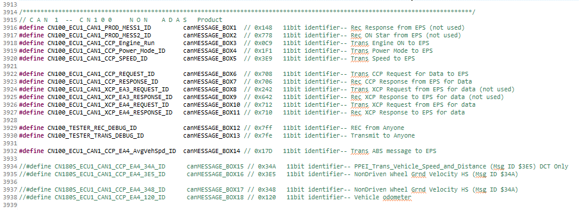
N/A = NOT applicable
D/C = don't care what value

Assist Profile
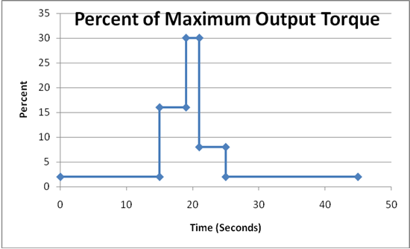

Command | Hw Trq (Nm) | % | Amps | Measured AMPS
0p10nm | 0.1 | 2% | 1.5 | 0.3
0p50nm | 0.5 | 8% | 6 | 4 | Low Torque | Steady state value
1p00nm | 1 | 16% | 12 | 18 | Med torque
2p00nm | 2 | 30% | 22.5 | 66 | High torque
4p00nm | 4 | 75% | 56.25 | 99

dump+CAL verification
dumperr verification
Labels:Time | Date | Temp | Hum | Intval# | TimeLeft | Rack# | CIB# | DUT# | bus2_off_CAN | bus1_warn_CAN | bus2_warn_CAN | P--can1_sys_state_warm_init | P--can2_sys_state_warm_init | T--trig_flag | 0 | T--can1_Don Diag Codes | 1 | T--dumperr_Tester1_vign | 2 | T--dumperr_Product1_5volt | 3 | T--value_sent5_ChA_T1_cnt | 4 | T--value_sent6_ChA_T2_cnt | 5 | P--can1_CN200_BattVltg_fp | 6 | P--can1_can1_CN200_Temperature_fp | 7 | P--can1_CN200_DigT1_HwNm_fp | 8 | P--can1_CN200_DigT2_HwNm_fp | 9 | P--can1_CN200_MtrCurrQax_fp | 10 | P--can1_CN200_SystemState_byt | 11 | P--can1_CN200_HwTrq_HwNm_fp | 12 | P--can1_CN200_Abs_Hw_Pos_fp | 13 | P--can1_CN200_MotTrq_Crf_fp | 14 | can1_CN200_MotTrq_Mrf_fp | 15 | P--can1_CN200_VehSpd_fp | 16 | P--can1_CN200_Spare2_fp | 17 | P--can1_CN200_MtrCurrQax1_fp | 18 | P--can1_CN200_MtrCurrQax2_fp | 19 | P--can1_CN200_MtrCurrQax3_fp | 20 | P--can1_CN200_HwTrq_HwNm1_fp | 21 | P--can1_CN200_HwTrq_HwNm2_fp | 22 | P--can1_CN200_HwTrq_HwNm3_fp | 23 | N/A | 24 | N/A | 25 | N/A | 26 | N/A | 27 | N/A | 28 | N/A | 29 | N/A | 30 | N/A | 31 | N/A | 32 | N/A | 33 | N/A | 34 | N/A | 35 | N/A | 36 | N/A | 37 | N/A | 38 | N/A | 39 | can1_DTC1 | 40 | can1_DTC2 | 41 | can1_DTC3 | 42 | can1_DTC4 | 43 | can1_DTC5 | 44 | can1_DTC6 | 45 | can1_DTC7 | 46 | can1_DTC8 | 47 | can1_DTC9 | 48 | can1_DTC10 | 49 | can1_DTC11 | 50 | can1_DTC12 | 51 | can1_DTC13 | 52 | can1_DTC14 | 53 | can1_DTC15
 |  |  |  |  |  | err | 1 | 0 | 0 | 0 | 0 | -1 | -1 | T0 | 0 | 13:6:0:2 | 1 | 13938 | 2 | 4975 | 3 | 1945 | 4 | 2150 | 5 | 18 | 6 | 25.738 | 7 | 0 | 8 | 0 | 9 | -0.458 | 10 | 3 | 11 | 0 | 12 | 0.065 | 13 | 0 | 14 | 0 | 15 | 100 | 16 | 0 | 17 | 0 | 18 | 0 | 19 | 0 | 20 | 0 | 21 | 0 | 22 | 0 | 23 | N/A | 24 | N/A | 25 | N/A | 26 | N/A | 27 | N/A | 28 | N/A | 29 | N/A | 30 | N/A | 31 | N/A | 32 | N/A | 33 | N/A | 34 | N/A | 35 | N/A | 36 | N/A | 37 | N/A | 38 | N/A | 39 | 044:00:0B:01 | 40 | 073:00:0B:02 | 41 | 075:00:0B:02 | 42 | 1E0:00:0B:01 | 43 | 1E1:00:0B:01 | 44 | 1E2:00:0B:01 | 45 | 1E3:00:0B:01 | 46 | 1F9:00:0B:01 | 47 | 000:FF:00:00 | 48 | 000:FF:00:00 | 49 | 000:FF:00:00 | 50 | 000:FF:00:00 | 51 | 000:FF:00:00 | 52 | 000:FF:00:00 | 53 | 000:FF:00:00
 |  |  |  |  |  | err | 1 | 0 | 0 | 0 | 0 | -1 | -1 | T0 | 0 | 13:7:0:1 | 1 | 13776 | 2 | 4992 | 3 | 2150 | 4 | 1945 | 5 | 18 | 6 | 29.629 | 7 | 0 | 8 | 0 | 9 | 0.092 | 10 | 2 | 11 | 0 | 12 | 0.065 | 13 | 0 | 14 | 0 | 15 | 100 | 16 | 0 | 17 | 0 | 18 | 0 | 19 | 0 | 20 | 0 | 21 | 0 | 22 | 0 | 23 | N/A | 24 | N/A | 25 | N/A | 26 | N/A | 27 | N/A | 28 | N/A | 29 | N/A | 30 | N/A | 31 | N/A | 32 | N/A | 33 | N/A | 34 | N/A | 35 | N/A | 36 | N/A | 37 | N/A | 38 | N/A | 39 | 044:00:0B:01 | 40 | 049:00:0B:02 | 41 | 073:00:0B:02 | 42 | 075:00:0B:02 | 43 | 1E0:00:0B:01 | 44 | 1E1:00:0B:01 | 45 | 1E2:00:0B:01 | 46 | 1E3:00:0B:01 | 47 | 1F9:00:0B:01 | 48 | 000:FF:00:00 | 49 | 000:FF:00:00 | 50 | 000:FF:00:00 | 51 | 000:FF:00:00 | 52 | 000:FF:00:00 | 53 | 000:FF:00:00
 |  |  |  |  |  | err | 1 | 0 | 0 | 0 | 0 | -1 | -1 | T0 | 0 | 13:0:0:1 | 1 | 13734 | 2 | 4970 | 3 | 1843 | 4 | 2252 | 5 | 18 | 6 | 24.956 | 7 | 0 | 8 | 0 | 9 | 0.092 | 10 | 2 | 11 | 0 | 12 | 0.065 | 13 | 0 | 14 | 0 | 15 | 100 | 16 | 0 | 17 | 0 | 18 | 0 | 19 | 0 | 20 | 0 | 21 | 0 | 22 | 0 | 23 | N/A | 24 | N/A | 25 | N/A | 26 | N/A | 27 | N/A | 28 | N/A | 29 | N/A | 30 | N/A | 31 | N/A | 32 | N/A | 33 | N/A | 34 | N/A | 35 | N/A | 36 | N/A | 37 | N/A | 38 | N/A | 39 | 03C:00:0B:01 | 40 | 073:00:0B:02 | 41 | 075:00:0B:02 | 42 | 1E0:00:0B:01 | 43 | 1E1:00:0B:01 | 44 | 1E2:00:0B:01 | 45 | 1E3:00:0B:01 | 46 | 1F9:00:0B:01 | 47 | 044:02:08:00 | 48 | 095:01:08:00 | 49 | 000:FF:00:00 | 50 | 000:FF:00:00 | 51 | 000:FF:00:00 | 52 | 000:FF:00:00 | 53 | 000:FF:00:00
 |  |  |  |  |  | err | 1 | 0 | 0 | 0 | 0 | -1 | -1 | T0 | 0 | 13:1:0:1 | 1 | 13662 | 2 | 4938 | 3 | 2590 | 4 | 2384 | 5 | 18 | 6 | 25.347 | 7 | 0 | 8 | 0 | 9 | -0.061 | 10 | 2 | 11 | 0 | 12 | 0.065 | 13 | 0 | 14 | 0 | 15 | 100 | 16 | 0 | 17 | 0 | 18 | 0 | 19 | 0 | 20 | 0 | 21 | 0 | 22 | 0 | 23 | N/A | 24 | N/A | 25 | N/A | 26 | N/A | 27 | N/A | 28 | N/A | 29 | N/A | 30 | N/A | 31 | N/A | 32 | N/A | 33 | N/A | 34 | N/A | 35 | N/A | 36 | N/A | 37 | N/A | 38 | N/A | 39 | 03C:00:0B:01 | 40 | 073:00:0B:02 | 41 | 075:00:0B:02 | 42 | 093:00:0B:01 | 43 | 095:00:0B:01 | 44 | 1E0:00:0B:01 | 45 | 1E1:00:0B:01 | 46 | 1E2:00:0B:01 | 47 | 1E3:00:0B:01 | 48 | 1F9:00:0B:01 | 49 | 044:02:08:00 | 50 | 000:FF:00:00 | 51 | 000:FF:00:00 | 52 | 000:FF:00:00 | 53 | 000:FF:00:00
 |  |  |  |  |  | err | 1 | 0 | 0 | 0 | 0 | -1 | -1 | T0 | 0 | 13:2:0:1 | 1 | 13812 | 2 | 4953 | 3 | 1690 | 4 | 3284 | 5 | 18 | 6 | 25.347 | 7 | 0 | 8 | 0 | 9 | -0.031 | 10 | 2 | 11 | 0 | 12 | 0.065 | 13 | -0.001 | 14 | 0.001 | 15 | 100 | 16 | 0 | 17 | 0 | 18 | 0 | 19 | 0 | 20 | 0 | 21 | 0 | 22 | 0 | 23 | N/A | 24 | N/A | 25 | N/A | 26 | N/A | 27 | N/A | 28 | N/A | 29 | N/A | 30 | N/A | 31 | N/A | 32 | N/A | 33 | N/A | 34 | N/A | 35 | N/A | 36 | N/A | 37 | N/A | 38 | N/A | 39 | 03C:00:0B:01 | 40 | 073:00:0B:02 | 41 | 075:00:0B:02 | 42 | 093:00:0B:01 | 43 | 095:00:0B:01 | 44 | 1E0:00:0B:01 | 45 | 1E1:00:0B:01 | 46 | 1E2:00:0B:01 | 47 | 1E3:00:0B:01 | 48 | 1F9:00:0B:01 | 49 | 044:02:08:00 | 50 | 000:FF:00:00 | 51 | 000:FF:00:00 | 52 | 000:FF:00:00 | 53 | 000:FF:00:00
 |  |  |  |  |  | err | 1 | 0 | 0 | 0 | 0 | -1 | -1 | T0 | 0 | 13:8:0:1 | 1 | 13836 | 2 | 4948 | 3 | 2600 | 4 | 2394 | 5 | 14.056 | 6 | 25.933 | 7 | 0.013 | 8 | -0.007 | 9 | -0.031 | 10 | 2 | 11 | 0.01 | 12 | 0 | 13 | 0 | 14 | 0 | 15 | 0 | 16 | 3 | 17 | 0 | 18 | 0 | 19 | 0 | 20 | 0 | 21 | 0 | 22 | 0 | 23 | N/A | 24 | N/A | 25 | N/A | 26 | N/A | 27 | N/A | 28 | N/A | 29 | N/A | 30 | N/A | 31 | N/A | 32 | N/A | 33 | N/A | 34 | N/A | 35 | N/A | 36 | N/A | 37 | N/A | 38 | N/A | 39 | 000:FF:00:00 | 40 | 000:FF:00:00 | 41 | 000:FF:00:00 | 42 | 000:FF:00:00 | 43 | 000:FF:00:00 | 44 | 000:FF:00:00 | 45 | 000:FF:00:00 | 46 | 000:FF:00:00 | 47 | 000:FF:00:00 | 48 | 000:FF:00:00 | 49 | 000:FF:00:00 | 50 | 000:FF:00:00 | 51 | 000:FF:00:00 | 52 | 000:FF:00:00 | 53 | 000:FF:00:00
 |  |  |  |  |  | err | 1 | 0 | 0 | 0 | 0 | -1 | -1 | T0 | 0 | 13:9:1:1 | 1 | 13734 | 2 | 4936 | 3 | 2582 | 4 | 2386 | 5 | 14.056 | 6 | 24.984 | 7 | -0.491 | 8 | 0.497 | 9 | -4.121 | 10 | 2 | 11 | -0.494 | 12 | 0.065 | 13 | -0.161 | 14 | -0.161 | 15 | 0 | 16 | 0 | 17 | 0 | 18 | 0 | 19 | 0 | 20 | 0 | 21 | 0 | 22 | 0 | 23 | N/A | 24 | N/A | 25 | N/A | 26 | N/A | 27 | N/A | 28 | N/A | 29 | N/A | 30 | N/A | 31 | N/A | 32 | N/A | 33 | N/A | 34 | N/A | 35 | N/A | 36 | N/A | 37 | N/A | 38 | N/A | 39 | 093:01:08:00 | 40 | 095:01:08:00 | 41 | 000:FF:00:00 | 42 | 000:FF:00:00 | 43 | 000:FF:00:00 | 44 | 000:FF:00:00 | 45 | 000:FF:00:00 | 46 | 000:FF:00:00 | 47 | 000:FF:00:00 | 48 | 000:FF:00:00 | 49 | 000:FF:00:00 | 50 | 000:FF:00:00 | 51 | 000:FF:00:00 | 52 | 000:FF:00:00 | 53 | 000:FF:00:00
 |  |  |  |  |  | err | 1 | 0 | 0 | 0 | 0 | -1 | -1 | T0 | 0 | 13:0:0:1 | 1 | 13776 | 2 | 4911 | 3 | 2504 | 4 | 2474 | 5 | 14.056 | 6 | 25.733 | 7 | -0.096 | 8 | 0.096 | 9 | 0.122 | 10 | 2 | 11 | -0.096 | 12 | 0.065 | 13 | 0.001 | 14 | 0.001 | 15 | 0 | 16 | 0 | 17 | 18.101 | 18 | -66.117 | 19 | 4.121 | 20 | 0.988 | 21 | -1.966 | 22 | 0.494 | 23 | N/A | 24 | N/A | 25 | N/A | 26 | N/A | 27 | N/A | 28 | N/A | 29 | N/A | 30 | N/A | 31 | N/A | 32 | N/A | 33 | N/A | 34 | N/A | 35 | N/A | 36 | N/A | 37 | N/A | 38 | N/A | 39 | 093:01:08:00 | 40 | 095:01:08:00 | 41 | 000:FF:00:00 | 42 | 000:FF:00:00 | 43 | 000:FF:00:00 | 44 | 000:FF:00:00 | 45 | 000:FF:00:00 | 46 | 000:FF:00:00 | 47 | 000:FF:00:00 | 48 | 000:FF:00:00 | 49 | 000:FF:00:00 | 50 | 000:FF:00:00 | 51 | 000:FF:00:00 | 52 | 000:FF:00:00 | 53 | 000:FF:00:00
 |  |  |  |  |  | err | 1 | 0 | 0 | 0 | 0 | -1 | -1 | T0 | 0 | 13:1:0:1 | 1 | 6486 | 2 | 4919 | 3 | 3090 | 4 | 1888 | 5 | 11.408 | 6 | 54.242 | 7 | -2.939 | 8 | 2.969 | 9 | -94.963 | 10 | 2 | 11 | -2.466 | 12 | 0.065 | 13 | -3.731 | 14 | -3.731 | 15 | 0 | 16 | 0 | 17 | 18.101 | 18 | -66.117 | 19 | 4.121 | 20 | 0.988 | 21 | -1.966 | 22 | 0.494 | 23 | N/A | 24 | N/A | 25 | N/A | 26 | N/A | 27 | N/A | 28 | N/A | 29 | N/A | 30 | N/A | 31 | N/A | 32 | N/A | 33 | N/A | 34 | N/A | 35 | N/A | 36 | N/A | 37 | N/A | 38 | N/A | 39 | 070:00:0B:01 | 40 | 000:FF:00:00 | 41 | 000:FF:00:00 | 42 | 000:FF:00:00 | 43 | 000:FF:00:00 | 44 | 000:FF:00:00 | 45 | 000:FF:00:00 | 46 | 000:FF:00:00 | 47 | 000:FF:00:00 | 48 | 000:FF:00:00 | 49 | 000:FF:00:00 | 50 | 000:FF:00:00 | 51 | 000:FF:00:00 | 52 | 000:FF:00:00 | 53 | 000:FF:00:00
 |  |  |  |  |  | err | 1 | 0 | 0 | 0 | 0 | -1 | -1 | T0 | 0 | 13:8:0:1 | 1 | 6588 | 2 | 4911 | 3 | 3312 | 4 | 1672 | 5 | 11.446 | 6 | 67.275 | 7 | -3.956 | 8 | 3.938 | 9 | 90.079 | 10 | 2 | 11 | 2.364 | 12 | 0.065 | 13 | 3.51 | 14 | 3.51 | 15 | 0 | 16 | 0 | 17 | 18.101 | 18 | -66.117 | 19 | 4.121 | 20 | 0.988 | 21 | -1.966 | 22 | 0.494 | 23 | N/A | 24 | N/A | 25 | N/A | 26 | N/A | 27 | N/A | 28 | N/A | 29 | N/A | 30 | N/A | 31 | N/A | 32 | N/A | 33 | N/A | 34 | N/A | 35 | N/A | 36 | N/A | 37 | N/A | 38 | N/A | 39 | 070:00:0B:01 | 40 | 000:FF:00:00 | 41 | 000:FF:00:00 | 42 | 000:FF:00:00 | 43 | 000:FF:00:00 | 44 | 000:FF:00:00 | 45 | 000:FF:00:00 | 46 | 000:FF:00:00 | 47 | 000:FF:00:00 | 48 | 000:FF:00:00 | 49 | 000:FF:00:00 | 50 | 000:FF:00:00 | 51 | 000:FF:00:00 | 52 | 000:FF:00:00 | 53 | 000:FF:00:00
 |  |  |  |  |  | err | 1 | 0 | 0 | 0 | 0 | -1 | -1 | T0 | 0 | 13:0:0:1 | 1 | 2448 | 2 | 4919 | 3 | 1898 | 4 | 3082 | 5 | 9.615 | 6 | 45.967 | 7 | 2.927 | 8 | -2.999 | 9 | 93.773 | 10 | 2 | 11 | 2.846 | 12 | 0.065 | 13 | 4.556 | 14 | 4.556 | 15 | 0 | 16 | 0 | 17 | 18.101 | 18 | -66.117 | 19 | 4.121 | 20 | 0.988 | 21 | -1.966 | 22 | 0.494 | 23 | N/A | 24 | N/A | 25 | N/A | 26 | N/A | 27 | N/A | 28 | N/A | 29 | N/A | 30 | N/A | 31 | N/A | 32 | N/A | 33 | N/A | 34 | N/A | 35 | N/A | 36 | N/A | 37 | N/A | 38 | N/A | 39 | 070:01:08:00 | 40 | 000:FF:00:00 | 41 | 000:FF:00:00 | 42 | 000:FF:00:00 | 43 | 000:FF:00:00 | 44 | 000:FF:00:00 | 45 | 000:FF:00:00 | 46 | 000:FF:00:00 | 47 | 000:FF:00:00 | 48 | 000:FF:00:00 | 49 | 000:FF:00:00 | 50 | 000:FF:00:00 | 51 | 000:FF:00:00 | 52 | 000:FF:00:00 | 53 | 000:FF:00:00
cal verification

6.000,25.774,0.503,-0.504,0.000,0,0.504,0.000,0.000,0.000,0.000,3.000,0.015,-38.739,-92.656,18.593,93.849,-92.845,0.011,-1.464,-2.450,0.998,2.477,-2.450,0,0,0,0,0,0,0,0,0,0,0,0,0,0,0,0,0,0,0,0,0,0,0,0,0,0,0,0,0,0,0,0,0,0,0,0,0,0,0,0,0,0,0,0,0,39,070:00:0B:01,40,000:FF:00:00,41,000:FF:00:00,42,000:FF:00:00,43,000:FF:00:00,44,000:FF:00:00,45,000:FF:00:00,46,000:FF:00:00,47,000:FF:00:00,48,000:FF:00:00,49,000:FF:00:00,50,000:FF:00:00,51,000:FF:00:00,52,000:FF:00:00,53,000:FF:00:00

------------------Prior to rev02 software update to Analog----------------------------
Time | Date | Temp | Hum | Intval# | TimeLeft | Rack# | CIB# | DUT# | bus2_off_CAN | bus1_warn_CAN | bus2_warn_CAN | P--can1_sys_state_warm_init | P--can2_sys_state_warm_init | T--trig_flag | 0 | T--can1_Don Diag Codes | 1 | T--dumperr_Tester1_vign | 2 | T--dumperr_Product1_5volt | 3 | T--value_sent5_ChA_T1_cnt | 4 | T--value_sent6_ChA_T2_cnt | 5 | P--can1_CN200_BattVltg_fp | 6 | P--can1_can1_CN200_Temperature_fp | 7 | P--can1_CN200_DigT1_HwNm_fp | 8 | P--can1_CN200_DigT2_HwNm_fp | 9 | P--can1_CN200_MtrCurrQax_fp | 10 | P--can1_CN200_SystemState_byt | 11 | P--can1_CN200_HwTrq_HwNm_fp | 12 | P--can1_CN200_Abs_Hw_Pos_fp | 13 | P--can1_CN200_P1_Volt_fp | 14 | P--can1_G2KCA_MtrCurrQax2_fp | 15 | P--can1_CN200_Spare1_fp | 16 | P--can1_CN200_Spare2_fp | 17 | P--can1_CN200_MtrCurrQax1_fp | 18 | P--can1_CN200_MtrCurrQax2_fp | 19 | P--can1_CN200_MtrCurrQax3_fp | 20 | P--can1_CN200_HwTrq_HwNm1_fp | 21 | P--can1_CN200_HwTrq_HwNm2_fp | 22 | P--can1_CN200_HwTrq_HwNm3_fp | 23 | N/A | 24 | N/A | 25 | N/A | 26 | N/A | 27 | N/A | 28 | N/A | 29 | N/A | 30 | N/A | 31 | N/A | 32 | N/A | 33 | N/A | 34 | N/A | 35 | N/A | 36 | N/A | 37 | N/A | 38 | N/A | 39 | can1_DTC1 | 40 | can1_DTC2 | 41 | can1_DTC3 | 42 | can1_DTC4 | 43 | can1_DTC5 | 44 | can1_DTC6 | 45 | can1_DTC7 | 46 | can1_DTC8 | 47 | can1_DTC9 | 48 | can1_DTC10 | 49 | can1_DTC11 | 50 | can1_DTC12 | 51 | can1_DTC13 | 52 | can1_DTC14 | 53 | can1_DTC15
 | Vbatt address wrong |  |  |  |  | err | 1 | 0 | 0 | 0 | 0 | -1 | -1 | T0 | 0 | 13:9:1:1 | 1 | 15948 | 2 | 19 | 3 | 2047 | 4 | 2047 | 5 | 0 | 6 | 0.571 | 7 | 0 | 8 | 0 | 9 | -0.336 | 10 | 2 | 11 | 0 | 12 | 0 | 13 | 0 | 14 | 0.571 | 15 | 0 | 16 | 0 | 17 | 6188.356 | 18 | 6188.282 | 19 | 3917.265 | 20 | 6215.431 | 21 | 0 | 22 | 0 | 23 | N/A | 24 | N/A | 25 | N/A | 26 | N/A | 27 | N/A | 28 | N/A | 29 | N/A | 30 | N/A | 31 | N/A | 32 | N/A | 33 | N/A | 34 | N/A | 35 | N/A | 36 | N/A | 37 | N/A | 38 | N/A | 39 | FFFF:FF:FF:FF | 40 | FFFF:FF:FF:FF | 41 | FFFF:FF:FF:FF | 42 | FFFF:FF:FF:FF | 43 | FFFF:FF:FF:FF | 44 | FFFF:FF:FF:FF | 45 | FFFF:FF:FF:FF | 46 | FFFF:FF:FF:FF | 47 | FFFF:FF:FF:FF | 48 | FFFF:FF:FF:FF | 49 | FFFF:FF:FF:FF | 50 | FFFF:FF:FF:FF | 51 | FFFF:FF:FF:FF | 52 | FFFF:FF:FF:FF | 53 | FFFF:FF:FF:FF
 | Temp variable wrong |  |  |  |  | err | 1 | 0 | 0 | 0 | 0 | -1 | -1 | T0 | 0 | 13:9:1:1 | 1 | 15804 | 2 | 0 | 3 | 2150 | 4 | 1945 | 5 | 14.056 | 6 | 0.575 | 7 | 0 | 8 | 0 | 9 | -0.458 | 10 | 2 | 11 | 0 | 12 | 0 | 13 | 14.056 | 14 | 0.575 | 15 | 0 | 16 | 0 | 17 | 7542.96 | 18 | 7542.971 | 19 | 11735.489 | 20 | 11763.979 | 21 | 0 | 22 | 0 | 23 | N/A | 24 | N/A | 25 | N/A | 26 | N/A | 27 | N/A | 28 | N/A | 29 | N/A | 30 | N/A | 31 | N/A | 32 | N/A | 33 | N/A | 34 | N/A | 35 | N/A | 36 | N/A | 37 | N/A | 38 | N/A | 39 | 073:00:0B:02 | 40 | 075:00:0B:02 | 41 | 093:00:0B:01 | 42 | 095:00:0B:01 | 43 | 1E0:00:0B:01 | 44 | 1E1:00:0B:01 | 45 | 1E2:00:0B:01 | 46 | 1E3:00:0B:01 | 47 | 1F9:00:0B:01 | 48 | 000:FF:00:00 | 49 | 000:FF:00:00 | 50 | 000:FF:00:00 | 51 | 000:FF:00:00 | 52 | 000:FF:00:00 | 53 | 000:FF:00:00
 |  |  |  |  |  | err | 1 | 0 | 0 | 0 | 0 | -1 | -1 | T0 | 0 | 13:9:1:1 | 1 | 15960 | 2 | 19 | 3 | 2150 | 4 | 1945 | 5 | 14.056 | 6 | 10.14 | 7 | 0 | 8 | 0 | 9 | -0.336 | 10 | 2 | 11 | 0 | 12 | 0 | 13 | 14.056 | 14 | 10.14 | 15 | 0 | 16 | 0 | 17 | 7734.708 | 18 | 7734.644 | 19 | 7247.19 | 20 | 9033.268 | 21 | 0 | 22 | 0 | 23 | N/A | 24 | N/A | 25 | N/A | 26 | N/A | 27 | N/A | 28 | N/A | 29 | N/A | 30 | N/A | 31 | N/A | 32 | N/A | 33 | N/A | 34 | N/A | 35 | N/A | 36 | N/A | 37 | N/A | 38 | N/A | 39 | 073:00:0B:02 | 40 | 075:00:0B:02 | 41 | 093:00:0B:01 | 42 | 095:00:0B:01 | 43 | 1E0:00:0B:01 | 44 | 1E1:00:0B:01 | 45 | 1E2:00:0B:01 | 46 | 1E3:00:0B:01 | 47 | 1F9:00:0B:01 | 48 | 000:FF:00:00 | 49 | 000:FF:00:00 | 50 | 000:FF:00:00 | 51 | 000:FF:00:00 | 52 | 000:FF:00:00 | 53 | 000:FF:00:00
 | P2 xcp request wrong size |  |  |  |  | err | 1 | 0 | 0 | 0 | 0 | -1 | -1 | T0 | 0 | 13:1:0:1 | 1 | 15786 | 2 | 19 | 3 | 2068 | 4 | 2027 | 5 | 14.061 | 6 | 9.705 | 7 | 0 | 8 | 0 | 9 | -0.397 | 10 | 2 | 11 | 0 | 12 | 0 | 13 | 14.061 | 14 | 9.705 | 15 | 0 | 16 | 0 | 17 | 9245.16 | 18 | 9245.069 | 19 | 3334.549 | 20 | 7896.057 | 21 | 0 | 22 | 0 | 23 | N/A | 24 | N/A | 25 | N/A | 26 | N/A | 27 | N/A | 28 | N/A | 29 | N/A | 30 | N/A | 31 | N/A | 32 | N/A | 33 | N/A | 34 | N/A | 35 | N/A | 36 | N/A | 37 | N/A | 38 | N/A | 39 | 073:00:0B:02 | 40 | 075:00:0B:02 | 41 | 093:00:0B:01 | 42 | 095:00:0B:01 | 43 | 1E0:00:0B:01 | 44 | 1E1:00:0B:01 | 45 | 1E2:00:0B:01 | 46 | 1E3:00:0B:01 | 47 | 1F9:00:0B:01 | 48 | 000:FF:00:00 | 49 | 000:FF:00:00 | 50 | 000:FF:00:00 | 51 | 000:FF:00:00 | 52 | 000:FF:00:00 | 53 | 000:FF:00:00
 | columns 13 & 14 just copy |  |  |  |  | err | 1 | 0 | 0 | 0 | 0 | -1 | -1 | T0 | 0 | 13:9:1:1 | 1 | 15936 | 2 | 19 | 3 | 2150 | 4 | 1945 | 5 | 14.061 | 6 | 11.772 | 7 | 0 | 8 | 0 | 9 | -0.275 | 10 | 2 | 11 | 0 | 12 | 0 | 13 | 14.061 | 14 | 11.772 | 15 | 0 | 16 | 0 | 17 | 9012.984 | 18 | 6143.124 | 19 | 9554.452 | 20 | 9809.946 | 21 | 0 | 22 | 0 | 23 | N/A | 24 | N/A | 25 | N/A | 26 | N/A | 27 | N/A | 28 | N/A | 29 | N/A | 30 | N/A | 31 | N/A | 32 | N/A | 33 | N/A | 34 | N/A | 35 | N/A | 36 | N/A | 37 | N/A | 38 | N/A | 39 | 073:00:0B:02 | 40 | 075:00:0B:02 | 41 | 093:00:0B:01 | 42 | 095:00:0B:01 | 43 | 1E0:00:0B:01 | 44 | 1E1:00:0B:01 | 45 | 1E2:00:0B:01 | 46 | 1E3:00:0B:01 | 47 | 1F9:00:0B:01 | 48 | 000:FF:00:00 | 49 | 000:FF:00:00 | 50 | 000:FF:00:00 | 51 | 000:FF:00:00 | 52 | 000:FF:00:00 | 53 | 000:FF:00:00
 |  | 5 & 6?
 | They look OK in trig()

 | Error in parse_can_data()
 | temA_9 through 12 copying wrong data from can1_dump_err_data |  |  |  |  |  |  |  |  |  |  |  | Fixed:
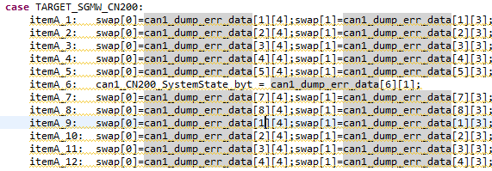
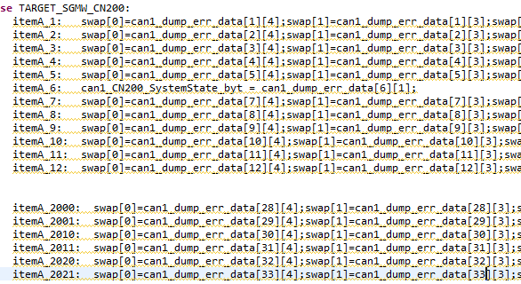

 | These ones incorrect as well:

Time | Date | Temp | Hum | Intval# | TimeLeft | Rack# | CIB# | DUT# | bus2_off_CAN | bus1_warn_CAN | bus2_warn_CAN | P--can1_sys_state_warm_init | P--can2_sys_state_warm_init | T--trig_flag | 0 | T--can1_Don Diag Codes | 1 | T--dumperr_Tester1_vign | 2 | T--dumperr_Product1_5volt | 3 | T--value_sent5_ChA_T1_cnt | 4 | T--value_sent6_ChA_T2_cnt | 5 | P--can1_CN200_BattVltg_fp | 6 | P--can1_can1_CN200_Temperature_fp | 7 | P--can1_CN200_DigT1_HwNm_fp | 8 | P--can1_CN200_DigT2_HwNm_fp | 9 | P--can1_CN200_MtrCurrQax_fp | 10 | P--can1_CN200_SystemState_byt | 11 | P--can1_CN200_HwTrq_HwNm_fp | 12 | P--can1_CN200_Abs_Hw_Pos_fp | 13 | P--can1_CN200_P1_Volt_fp | 14 | P--can1_G2KCA_MtrCurrQax2_fp | 15 | P--can1_CN200_Spare1_fp | 16 | P--can1_CN200_Spare2_fp | 17 | P--can1_CN200_MtrCurrQax1_fp | 18 | P--can1_CN200_MtrCurrQax2_fp | 19 | P--can1_CN200_MtrCurrQax3_fp | 20 | P--can1_CN200_HwTrq_HwNm1_fp | 21 | P--can1_CN200_HwTrq_HwNm2_fp | 22 | P--can1_CN200_HwTrq_HwNm3_fp | 23 | N/A | 24 | N/A | 25 | N/A | 26 | N/A | 27 | N/A | 28 | N/A | 29 | N/A | 30 | N/A | 31 | N/A | 32 | N/A | 33 | N/A | 34 | N/A | 35 | N/A | 36 | N/A | 37 | N/A | 38 | N/A | 39 | can1_DTC1 | 40 | can1_DTC2 | 41 | can1_DTC3 | 42 | can1_DTC4 | 43 | can1_DTC5 | 44 | can1_DTC6 | 45 | can1_DTC7 | 46 | can1_DTC8 | 47 | can1_DTC9 | 48 | can1_DTC10 | 49 | can1_DTC11 | 50 | can1_DTC12 | 51 | can1_DTC13 | 52 | can1_DTC14 | 53 | can1_DTC15
 | column 14 of header is wrong |  |  |  |  | err | 1 | 0 | 0 | 0 | 0 | -1 | -1 | T0 | 0 | 13:9:1:1 | 1 | 15786 | 2 | 19 | 3 | 2150 | 4 | 1945 | 5 | 14.056 | 6 | 10.918 | 7 | 0 | 8 | 0 | 9 | -0.336 | 10 | 2 | 11 | 0 | 12 | 0 | 13 | 8989.574 | 14 | 13694.725 | 15 | 12062.491 | 16 | 5991.758 | 17 | 0 | 18 | 0 | 19 | 0 | 20 | 0 | 21 | 0 | 22 | 0 | 23 | N/A | 24 | N/A | 25 | N/A | 26 | N/A | 27 | N/A | 28 | N/A | 29 | N/A | 30 | N/A | 31 | N/A | 32 | N/A | 33 | N/A | 34 | N/A | 35 | N/A | 36 | N/A | 37 | N/A | 38 | N/A | 39 | 073:00:0B:02 | 40 | 075:00:0B:02 | 41 | 093:00:0B:01 | 42 | 095:00:0B:01 | 43 | 1E0:00:0B:01 | 44 | 1E1:00:0B:01 | 45 | 1E2:00:0B:01 | 46 | 1E3:00:0B:01 | 47 | 1F9:00:0B:01 | 48 | 000:FF:00:00 | 49 | 000:FF:00:00 | 50 | 000:FF:00:00 | 51 | 000:FF:00:00 | 52 | 000:FF:00:00 | 53 | 000:FF:00:00

Time | Date | Temp | Hum | Intval# | TimeLeft | Rack# | CIB# | DUT# | bus2_off_CAN | bus1_warn_CAN | bus2_warn_CAN | P--can1_sys_state_warm_init | P--can2_sys_state_warm_init | T--trig_flag | 0 | T--can1_Don Diag Codes | 1 | T--dumperr_Tester1_vign | 2 | T--dumperr_Product1_5volt | 3 | T--value_sent5_ChA_T1_cnt | 4 | T--value_sent6_ChA_T2_cnt | 5 | P--can1_CN200_BattVltg_fp | 6 | P--can1_can1_CN200_Temperature_fp | 7 | P--can1_CN200_DigT1_HwNm_fp | 8 | P--can1_CN200_DigT2_HwNm_fp | 9 | P--can1_CN200_MtrCurrQax_fp | 10 | P--can1_CN200_SystemState_byt | 11 | P--can1_CN200_HwTrq_HwNm_fp | 12 | P--can1_CN200_Abs_Hw_Pos_fp | 13 | P--can1_CN200_P1_Volt_fp | 14 | can1_CN200_P2_Volt_fp | 15 | P--can1_CN200_Spare1_fp | 16 | P--can1_CN200_Spare2_fp | 17 | P--can1_CN200_MtrCurrQax1_fp | 18 | P--can1_CN200_MtrCurrQax2_fp | 19 | P--can1_CN200_MtrCurrQax3_fp | 20 | P--can1_CN200_HwTrq_HwNm1_fp | 21 | P--can1_CN200_HwTrq_HwNm2_fp | 22 | P--can1_CN200_HwTrq_HwNm3_fp | 23 | N/A | 24 | N/A | 25 | N/A | 26 | N/A | 27 | N/A | 28 | N/A | 29 | N/A | 30 | N/A | 31 | N/A | 32 | N/A | 33 | N/A | 34 | N/A | 35 | N/A | 36 | N/A | 37 | N/A | 38 | N/A | 39 | can1_DTC1 | 40 | can1_DTC2 | 41 | can1_DTC3 | 42 | can1_DTC4 | 43 | can1_DTC5 | 44 | can1_DTC6 | 45 | can1_DTC7 | 46 | can1_DTC8 | 47 | can1_DTC9 | 48 | can1_DTC10 | 49 | can1_DTC11 | 50 | can1_DTC12 | 51 | can1_DTC13 | 52 | can1_DTC14 | 53 | can1_DTC15
 | P1 and P2 are not looking |  |  |  |  | err | 1 | 0 | 0 | 0 | 0 | -1 | -1 | T0 | 0 | 13:0:0:1 | 1 | 15816 | 2 | 4 | 3 | 1945 | 4 | 2150 | 5 | 14.061 | 6 | 9.219 | 7 | 0 | 8 | 0 | 9 | -0.427 | 10 | 2 | 11 | 0 | 12 | 0 | 13 | 4600.239 | 14 | 9822.429 | 15 | 8994.995 | 16 | 6880.054 | 17 | 0 | 18 | 0 | 19 | 0 | 20 | 0 | 21 | 0 | 22 | 0 | 23 | N/A | 24 | N/A | 25 | N/A | 26 | N/A | 27 | N/A | 28 | N/A | 29 | N/A | 30 | N/A | 31 | N/A | 32 | N/A | 33 | N/A | 34 | N/A | 35 | N/A | 36 | N/A | 37 | N/A | 38 | N/A | 39 | 073:00:0B:02 | 40 | 075:00:0B:02 | 41 | 093:00:0B:01 | 42 | 095:00:0B:01 | 43 | 1E0:00:0B:01 | 44 | 1E1:00:0B:01 | 45 | 1E2:00:0B:01 | 46 | 1E3:00:0B:01 | 47 | 1F9:00:0B:01 | 48 | 000:FF:00:00 | 49 | 000:FF:00:00 | 50 | 000:FF:00:00 | 51 | 000:FF:00:00 | 52 | 000:FF:00:00 | 53 | 000:FF:00:00
 | at the correct variables. |  |  |  |  | err | 1 | 0 | 0 | 0 | 0 | -1 | -1 | T0 | 0 | 13:1:0:1 | 1 | 15846 | 2 | 4 | 3 | 1945 | 4 | 2150 | 5 | 14.056 | 6 | 9.263 | 7 | 0 | 8 | 0 | 9 | -0.305 | 10 | 2 | 11 | 0 | 12 | 0 | 13 | 10509.443 | 14 | 12286.69 | 15 | 6641.088 | 16 | 7543.183 | 17 | 0 | 18 | 0 | 19 | 0 | 20 | 0 | 21 | 0 | 22 | 0 | 23 | N/A | 24 | N/A | 25 | N/A | 26 | N/A | 27 | N/A | 28 | N/A | 29 | N/A | 30 | N/A | 31 | N/A | 32 | N/A | 33 | N/A | 34 | N/A | 35 | N/A | 36 | N/A | 37 | N/A | 38 | N/A | 39 | 073:00:0B:02 | 40 | 075:00:0B:02 | 41 | 093:00:0B:01 | 42 | 095:00:0B:01 | 43 | 1E0:00:0B:01 | 44 | 1E1:00:0B:01 | 45 | 1E2:00:0B:01 | 46 | 1E3:00:0B:01 | 47 | 1F9:00:0B:01 | 48 | 000:FF:00:00 | 49 | 000:FF:00:00 | 50 | 000:FF:00:00 | 51 | 000:FF:00:00 | 52 | 000:FF:00:00 | 53 | 000:FF:00:00
 | Need to find correct. |  |  |  |  | err | 1 | 0 | 0 | 0 | 0 | -1 | -1 | T0 | 0 | 13:2:0:1 | 1 | 15756 | 2 | 0 | 3 | 1945 | 4 | 2150 | 5 | 14.061 | 6 | 9.333 | 7 | 0 | 8 | 0 | 9 | -0.366 | 10 | 2 | 11 | 0 | 12 | 0 | 13 | 3935.178 | 14 | 4630.584 | 15 | 6669.282 | 16 | 10921.398 | 17 | 0 | 18 | 0 | 19 | 0 | 20 | 0 | 21 | 0 | 22 | 0 | 23 | N/A | 24 | N/A | 25 | N/A | 26 | N/A | 27 | N/A | 28 | N/A | 29 | N/A | 30 | N/A | 31 | N/A | 32 | N/A | 33 | N/A | 34 | N/A | 35 | N/A | 36 | N/A | 37 | N/A | 38 | N/A | 39 | 073:00:0B:02 | 40 | 075:00:0B:02 | 41 | 093:00:0B:01 | 42 | 095:00:0B:01 | 43 | 1E0:00:0B:01 | 44 | 1E1:00:0B:01 | 45 | 1E2:00:0B:01 | 46 | 1E3:00:0B:01 | 47 | 1F9:00:0B:01 | 48 | 000:FF:00:00 | 49 | 000:FF:00:00 | 50 | 000:FF:00:00 | 51 | 000:FF:00:00 | 52 | 000:FF:00:00 | 53 | 000:FF:00:00

Labels:Time,Date,Temp,Hum,Intval#,TimeLeft,Rack#,CIB#,DUT#,bus2_off_CAN,bus1_warn_CAN,bus2_warn_CAN,P--can1_sys_state_warm_init,P--can2_sys_state_warm_init,T--trig_flag,0,T--can1_Don Diag Codes,1,T--dumperr_Tester1_vign,2,T--dumperr_Product1_5volt,3,T--value_sent5_ChA_T1_cnt,4,T--value_sent6_ChA_T2_cnt,5,P--can1_CN200_BattVltg_fp,6,P--can1_can1_CN200_Temperature_fp,7,P--can1_CN200_DigT1_HwNm_fp,8,P--can1_CN200_DigT2_HwNm_fp,9,P--can1_CN200_MtrCurrQax_fp,10,P--can1_CN200_SystemState_byt,11,P--can1_CN200_HwTrq_HwNm_fp,12,P--can1_CN200_Abs_Hw_Pos_fp,13,P--can1_CN200_MotTrq_Crf_fp,14,can1_CN200_MotTrq_Mrf_fp,15,P--can1_CN200_VehSpd_fp,16,P--can1_CN200_Spare2_fp,17,P--can1_CN200_MtrCurrQax1_fp,18,P--can1_CN200_MtrCurrQax2_fp,19,P--can1_CN200_MtrCurrQax3_fp,20,P--can1_CN200_HwTrq_HwNm1_fp,21,P--can1_CN200_HwTrq_HwNm2_fp,22,P--can1_CN200_HwTrq_HwNm3_fp,23,N/A,24,N/A,25,N/A,26,N/A,27,N/A,28,N/A,29,N/A,30,N/A,31,N/A,32,N/A,33,N/A,34,N/A,35,N/A,36,N/A,37,N/A,38,N/A,39,can1_DTC1,40,can1_DTC2,41,can1_DTC3,42,can1_DTC4,43,can1_DTC5,44,can1_DTC6,45,can1_DTC7,46,can1_DTC8,47,can1_DTC9,48,can1_DTC10,49,can1_DTC11,50,can1_DTC12,51,can1_DTC13,52,can1_DTC14,53,can1_DTC15
 | Changing spare2 |  |  |  |  | err | 1 | 0 | 0 | 0 | 0 | -1 | -1 | T0 | 0 | 13:9:1:1 | 1 | 15852 | 2 | 0 | 3 | 2150 | 4 | 1945 | 5 | 14.056 | 6 | 10.873 | 7 | 0 | 8 | 0 | 9 | -0.305 | 10 | 2 | 11 | 0 | 12 | 0 | 13 | 0 | 14 | 0 | 15 | 100 | 16 | 10832.725 | 17 | 0 | 18 | 0 | 19 | 0 | 20 | 0 | 21 | 0 | 22 | 0 | 23 | N/A | 24 | N/A | 25 | N/A | 26 | N/A | 27 | N/A | 28 | N/A | 29 | N/A | 30 | N/A | 31 | N/A | 32 | N/A | 33 | N/A | 34 | N/A | 35 | N/A | 36 | N/A | 37 | N/A | 38 | N/A | 39 | 073:00:0B:02 | 40 | 075:00:0B:02 | 41 | 093:00:0B:01 | 42 | 095:00:0B:01 | 43 | 1E0:00:0B:01 | 44 | 1E1:00:0B:01 | 45 | 1E2:00:0B:01 | 46 | 1E3:00:0B:01 | 47 | 1F9:00:0B:01 | 48 | 000:FF:00:00 | 49 | 000:FF:00:00 | 50 | 000:FF:00:00 | 51 | 000:FF:00:00 | 52 | 000:FF:00:00 | 53 | 000:FF:00:00
 | Green values have been checked |  |  |  |  | err | 1 | 0 | 0 | 0 | 0 | -1 | -1 | T0 | 0 | 13:9:1:1 | 1 | 15744 | 2 | 0 | 3 | 2150 | 4 | 1945 | 5 | 14.061 | 6 | 11.59 | 7 | 0 | 8 | 0 | 9 | -0.427 | 10 | 2 | 11 | 0 | 12 | 0 | 13 | 0 | 14 | 0 | 15 | 100 | 16 | 100 | 17 | 0 | 18 | 0 | 19 | 0 | 20 | 0 | 21 | 0 | 22 | 0 | 23 | N/A | 24 | N/A | 25 | N/A | 26 | N/A | 27 | N/A | 28 | N/A | 29 | N/A | 30 | N/A | 31 | N/A | 32 | N/A | 33 | N/A | 34 | N/A | 35 | N/A | 36 | N/A | 37 | N/A | 38 | N/A | 39 | 073:00:0B:02 | 40 | 075:00:0B:02 | 41 | 093:00:0B:01 | 42 | 095:00:0B:01 | 43 | 1E0:00:0B:01 | 44 | 1E1:00:0B:01 | 45 | 1E2:00:0B:01 | 46 | 1E3:00:0B:01 | 47 | 1F9:00:0B:01 | 48 | 000:FF:00:00 | 49 | 000:FF:00:00 | 50 | 000:FF:00:00 | 51 | 000:FF:00:00 | 52 | 000:FF:00:00 | 53 | 000:FF:00:00

Random CAN dumps
 | All Logs are creaed using T1XX Product

 | AE4 | dumperr Get DTCs portion

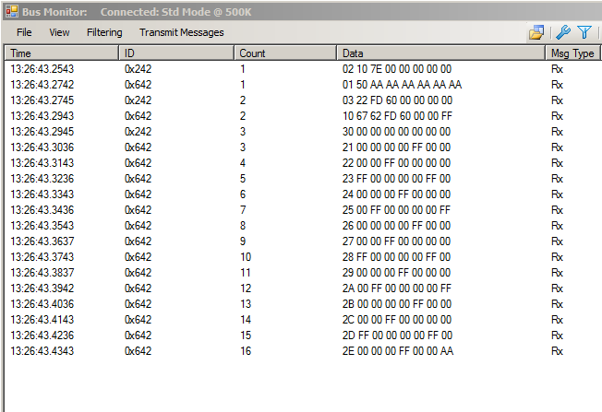

 | AE4 Clear DTCs |  |  |  |  |  |  | Second run at Clear DCTs

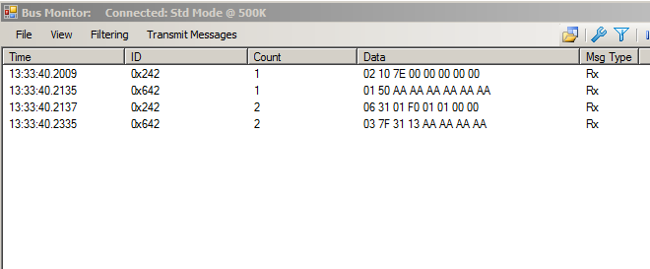

 |  |  |  |  |  | AE3 TESTER PRESENT set 0x80 in second field to suppress a response , but Negative reply
Bus Monitor Log File |  |  | AE3 TESTER PRESENT with Positive reply |  |  |  | Bus Monitor Log File
Date: 11/18/2015 10:39:11 AM |  |  |  |  |  |  | Date: 11/18/2015 10:10:12 AM

--------------------------------------------------- |  |  |  |  |  |  | ---------------------------------------------------

Date | ID | Counts | Data | MsgType |  |  | Date | ID | Counts | Data | MsgType
10:38:56 | 0x242 | 1 | 02 10 7E 00 00 00 00 00 | Rx | Nexteer Mode |  | 10:08:06 | 0x242 | 1 | 02 3E 80 00 00 00 00 00 | Tx
10:38:56 | 0x642 | 1 | 01 50 AA AA AA AA AA AA | Rx | Positve |  | 10:08:06 | 0x642 | 1 | 03 7F 3E 12 AA AA AA AA | Rx
10:38:56 | 0x242 | 2 | 06 2F FD 0D 03 FF 60 00 | Rx | Torque |  | 10:08:11 | 0x242 | 2 | 02 3E 80 00 00 00 00 00 | Tx
10:38:56 | 0x642 | 2 | 06 6F FD 0D 03 FF 60 AA | Rx | Responce |  | 10:08:11 | 0x642 | 2 | 03 7F 3E 12 AA AA AA AA | Rx
10:38:57 | 0x242 | 3 | 01 3E 00 00 00 00 00 00 | Rx | Tester Present
10:38:58 | 0x642 | 3 | 01 7E AA AA AA AA AA AA | Rx | Positive Reply
10:38:59 | 0x242 | 4 | 01 3E 00 00 00 00 00 00 | Rx
10:38:59 | 0x642 | 4 | 01 7E AA AA AA AA AA AA | Rx
10:39:00 | 0x242 | 5 | 01 3E 00 00 00 00 00 00 | Rx
10:39:01 | 0x642 | 5 | 01 7E AA AA AA AA AA AA | Rx

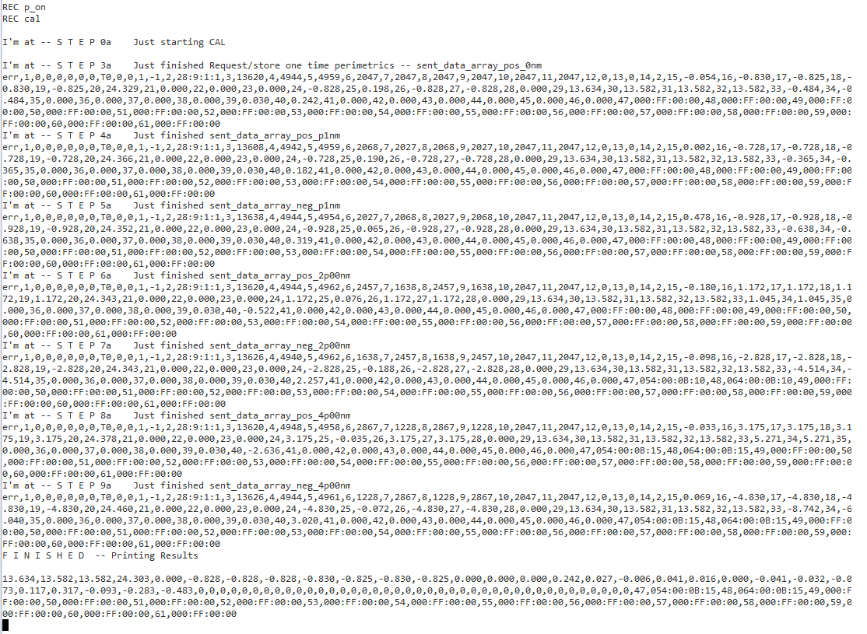
REC p_on
REC cal

I'm at -- S T E P 0a Just starting CAL

I'm at -- S T E P 3a Just finished Request/store one time perimetrics -- sent_data_array_pos_0nm
err,1,0,0,0,0,0,0,T0,0,0,1,-1,2,28:9:1:1,3,13620,4,4944,5,4959,6,2047,7,2047,8,2047,9,2047,10,2047,11,2047,12,0,13,0,14,2,15,-0.054,16,-0.830,17,-0.825,18,-
0.830,19,-0.825,20,24.329,21,0.000,22,0.000,23,0.000,24,-0.828,25,0.198,26,-0.828,27,-0.828,28,0.000,29,13.634,30,13.582,31,13.582,32,13.582,33,-0.484,34,-0
.484,35,0.000,36,0.000,37,0.000,38,0.000,39,0.030,40,0.242,41,0.000,42,0.000,43,0.000,44,0.000,45,0.000,46,0.000,47,000:FF:00:00,48,000:FF:00:00,49,000:FF:0
0:00,50,000:FF:00:00,51,000:FF:00:00,52,000:FF:00:00,53,000:FF:00:00,54,000:FF:00:00,55,000:FF:00:00,56,000:FF:00:00,57,000:FF:00:00,58,000:FF:00:00,59,000:
FF:00:00,60,000:FF:00:00,61,000:FF:00:00
I'm at -- S T E P 4a Just finished sent_data_array_pos_p1nm
err,1,0,0,0,0,0,0,T0,0,0,1,-1,2,28:9:1:1,3,13608,4,4942,5,4959,6,2068,7,2027,8,2068,9,2027,10,2047,11,2047,12,0,13,0,14,2,15,0.002,16,-0.728,17,-0.728,18,-0
.728,19,-0.728,20,24.366,21,0.000,22,0.000,23,0.000,24,-0.728,25,0.190,26,-0.728,27,-0.728,28,0.000,29,13.634,30,13.582,31,13.582,32,13.582,33,-0.365,34,-0.
365,35,0.000,36,0.000,37,0.000,38,0.000,39,0.030,40,0.182,41,0.000,42,0.000,43,0.000,44,0.000,45,0.000,46,0.000,47,000:FF:00:00,48,000:FF:00:00,49,000:FF:00
:00,50,000:FF:00:00,51,000:FF:00:00,52,000:FF:00:00,53,000:FF:00:00,54,000:FF:00:00,55,000:FF:00:00,56,000:FF:00:00,57,000:FF:00:00,58,000:FF:00:00,59,000:F
F:00:00,60,000:FF:00:00,61,000:FF:00:00
I'm at -- S T E P 5a Just finished sent_data_array_neg_p1nm
err,1,0,0,0,0,0,0,T0,0,0,1,-1,2,28:9:1:1,3,13638,4,4944,5,4954,6,2027,7,2068,8,2027,9,2068,10,2047,11,2047,12,0,13,0,14,2,15,0.478,16,-0.928,17,-0.928,18,-0
.928,19,-0.928,20,24.352,21,0.000,22,0.000,23,0.000,24,-0.928,25,0.065,26,-0.928,27,-0.928,28,0.000,29,13.634,30,13.582,31,13.582,32,13.582,33,-0.638,34,-0.
638,35,0.000,36,0.000,37,0.000,38,0.000,39,0.030,40,0.319,41,0.000,42,0.000,43,0.000,44,0.000,45,0.000,46,0.000,47,000:FF:00:00,48,000:FF:00:00,49,000:FF:00
:00,50,000:FF:00:00,51,000:FF:00:00,52,000:FF:00:00,53,000:FF:00:00,54,000:FF:00:00,55,000:FF:00:00,56,000:FF:00:00,57,000:FF:00:00,58,000:FF:00:00,59,000:F
F:00:00,60,000:FF:00:00,61,000:FF:00:00
I'm at -- S T E P 6a Just finished sent_data_array_pos_2p00nm
err,1,0,0,0,0,0,0,T0,0,0,1,-1,2,28:9:1:1,3,13620,4,4944,5,4962,6,2457,7,1638,8,2457,9,1638,10,2047,11,2047,12,0,13,0,14,2,15,-0.180,16,1.172,17,1.172,18,1.1
72,19,1.172,20,24.343,21,0.000,22,0.000,23,0.000,24,1.172,25,0.076,26,1.172,27,1.172,28,0.000,29,13.634,30,13.582,31,13.582,32,13.582,33,1.045,34,1.045,35,0
.000,36,0.000,37,0.000,38,0.000,39,0.030,40,-0.522,41,0.000,42,0.000,43,0.000,44,0.000,45,0.000,46,0.000,47,000:FF:00:00,48,000:FF:00:00,49,000:FF:00:00,50,
000:FF:00:00,51,000:FF:00:00,52,000:FF:00:00,53,000:FF:00:00,54,000:FF:00:00,55,000:FF:00:00,56,000:FF:00:00,57,000:FF:00:00,58,000:FF:00:00,59,000:FF:00:00
,60,000:FF:00:00,61,000:FF:00:00
I'm at -- S T E P 7a Just finished sent_data_array_neg_2p00nm
err,1,0,0,0,0,0,0,T0,0,0,1,-1,2,28:9:1:1,3,13626,4,4940,5,4962,6,1638,7,2457,8,1638,9,2457,10,2047,11,2047,12,0,13,0,14,2,15,-0.098,16,-2.828,17,-2.828,18,-
2.828,19,-2.828,20,24.343,21,0.000,22,0.000,23,0.000,24,-2.828,25,-0.188,26,-2.828,27,-2.828,28,0.000,29,13.634,30,13.582,31,13.582,32,13.582,33,-4.514,34,-
4.514,35,0.000,36,0.000,37,0.000,38,0.000,39,0.030,40,2.257,41,0.000,42,0.000,43,0.000,44,0.000,45,0.000,46,0.000,47,054:00:0B:10,48,064:00:0B:10,49,000:FF:
00:00,50,000:FF:00:00,51,000:FF:00:00,52,000:FF:00:00,53,000:FF:00:00,54,000:FF:00:00,55,000:FF:00:00,56,000:FF:00:00,57,000:FF:00:00,58,000:FF:00:00,59,000
:FF:00:00,60,000:FF:00:00,61,000:FF:00:00
I'm at -- S T E P 8a Just finished sent_data_array_pos_4p00nm
err,1,0,0,0,0,0,0,T0,0,0,1,-1,2,28:9:1:1,3,13620,4,4948,5,4958,6,2867,7,1228,8,2867,9,1228,10,2047,11,2047,12,0,13,0,14,2,15,-0.033,16,3.175,17,3.175,18,3.1
75,19,3.175,20,24.378,21,0.000,22,0.000,23,0.000,24,3.175,25,-0.035,26,3.175,27,3.175,28,0.000,29,13.634,30,13.582,31,13.582,32,13.582,33,5.271,34,5.271,35,
0.000,36,0.000,37,0.000,38,0.000,39,0.030,40,-2.636,41,0.000,42,0.000,43,0.000,44,0.000,45,0.000,46,0.000,47,054:00:0B:15,48,064:00:0B:15,49,000:FF:00:00,50
,000:FF:00:00,51,000:FF:00:00,52,000:FF:00:00,53,000:FF:00:00,54,000:FF:00:00,55,000:FF:00:00,56,000:FF:00:00,57,000:FF:00:00,58,000:FF:00:00,59,000:FF:00:0
0,60,000:FF:00:00,61,000:FF:00:00
I'm at -- S T E P 9a Just finished sent_data_array_neg_4p00nm
err,1,0,0,0,0,0,0,T0,0,0,1,-1,2,28:9:1:1,3,13626,4,4944,5,4961,6,1228,7,2867,8,1228,9,2867,10,2047,11,2047,12,0,13,0,14,2,15,0.069,16,-4.830,17,-4.830,18,-4
OLD DATA DUMPS
.830,19,-4.830,20,24.460,21,0.000,22,0.000,23,0.000,24,-4.830,25,-0.072,26,-4.830,27,-4.830,28,0.000,29,13.634,30,13.582,31,13.582,32,13.582,33,-8.742,34,-6
.040,35,0.000,36,0.000,37,0.000,38,0.000,39,0.030,40,3.020,41,0.000,42,0.000,43,0.000,44,0.000,45,0.000,46,0.000,47,054:00:0B:15,48,064:00:0B:15,49,000:FF:0
0:00,50,000:FF:00:00,51,000:FF:00:00,52,000:FF:00:00,53,000:FF:00:00,54,000:FF:00:00,55,000:FF:00:00,56,000:FF:00:00,57,000:FF:00:00,58,000:FF:00:00,59,000:
FF:00:00,60,000:FF:00:00,61,000:FF:00:00
F I N I S H E D -- Printing Results

13.634,13.582,13.582,24.303,0.000,-0.828,-0.828,-0.828,-0.830,-0.825,-0.830,-0.825,0.000,0.000,0.000,0.242,0.027,-0.006,0.041,0.016,0.000,-0.041,-0.032,-0.0
73,0.117,0.317,-0.093,-0.283,-0.483,0,0,0,0,0,0,0,0,0,0,0,0,0,0,0,0,0,0,0,0,0,0,0,0,0,0,0,0,0,0,0,0,0,0,0,0,0,0,0,0,47,054:00:0B:15,48,064:00:0B:15,49,000:F
F:00:00,50,000:FF:00:00,51,000:FF:00:00,52,000:FF:00:00,53,000:FF:00:00,54,000:FF:00:00,55,000:FF:00:00,56,000:FF:00:00,57,000:FF:00:00,58,000:FF:00:00,59,0
00:FF:00:00,60,000:FF:00:00,61,000:FF:00:00

Dump Check
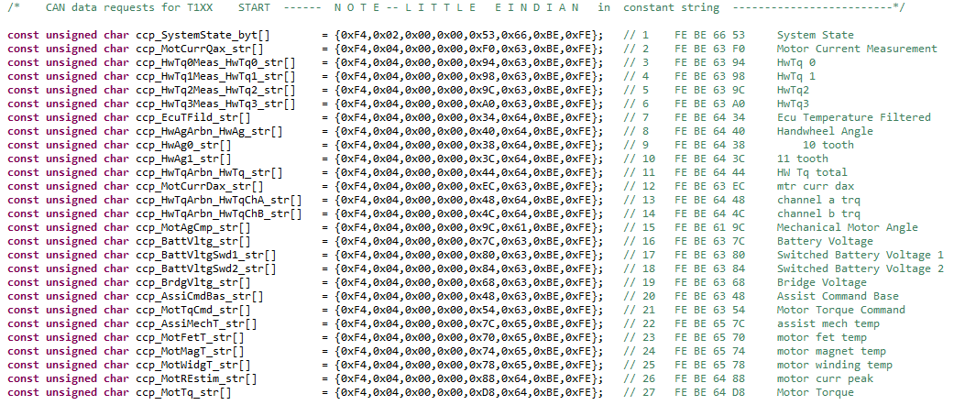
ID | Counts | Data
0x708 | 1 | FF 00 00 00 00 00 00 00
0x706 | 1 | FF 04 80 08 08 00 01 01
0x708 | 2 | F4 02 00 00 53 66 BE FE
0x706 | 2 | FF 02 01 08 08 00 01 01
0x708 | 3 | F4 04 00 00 F0 63 BE FE
0x706 | 3 | FF A8 FB 83 3E 00 01 01
0x708 | 4 | F4 04 00 00 94 63 BE FE
OLD DATA DUMPS
0x706 | 4 | FF 78 8A A7 BE 00 01 01
0x708 | 5 | F4 04 00 00 98 63 BE FE
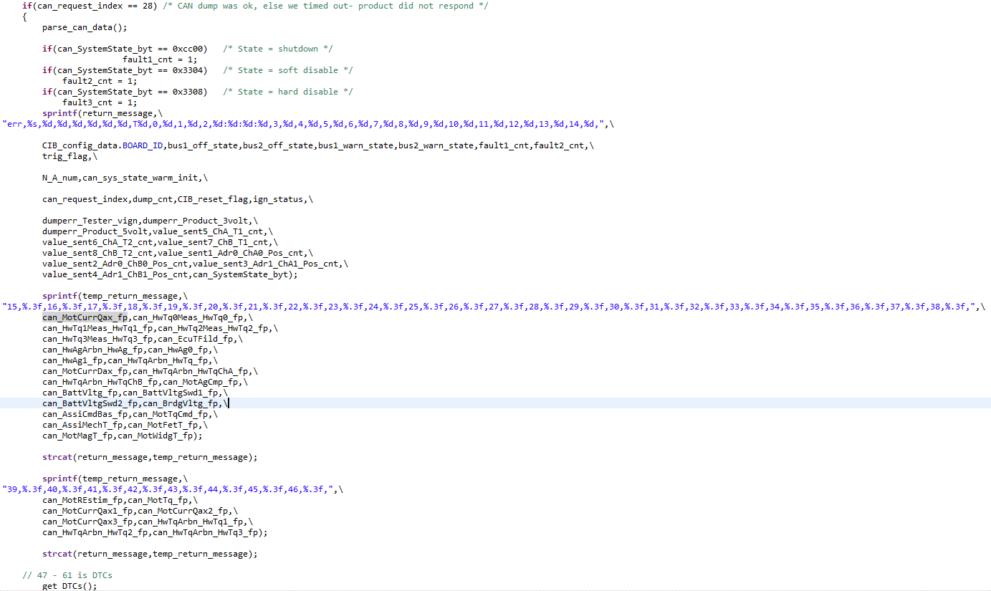
0x706 | 5 | FF 78 8A A7 BE 00 01 01
0x708 | 6 | F4 04 00 00 9C 63 BE FE
0x706 | 6 | FF 78 8A A7 BE 00 01 01
0x708 | 7 | F4 04 00 00 A0 63 BE FE
0x706 | 7 | FF 78 8A A7 BE 00 01 01
0x708 | 8 | F4 04 00 00 34 64 BE FE
0x706 | 8 | FF F6 E8 C2 41 00 01 01
0x708 | 9 | F4 04 00 00 40 64 BE FE
0x706 | 9 | FF 00 00 00 00 00 01 01
0x708 | 10 | F4 04 00 00 38 64 BE FE
0x706 | 10 | FF 00 00 00 00 00 01 01
0x708 | 11 | F4 04 00 00 3C 64 BE FE
0x706 | 11 | FF 00 00 00 00 00 01 01
0x708 | 12 | F4 04 00 00 44 64 BE FE
0x706 | 12 | FF 78 8A A7 BE 00 01 01
0x708 | 13 | F4 04 00 00 EC 63 BE FE
0x706 | 13 | FF F6 2F 9C BD 00 01 01
0x708 | 14 | F4 04 00 00 48 64 BE FE
0x706 | 14 | FF 78 8A A7 BE 00 01 01
0x708 | 15 | F4 04 00 00 4C 64 BE FE
0x706 | 15 | FF 78 8A A7 BE 00 01 01
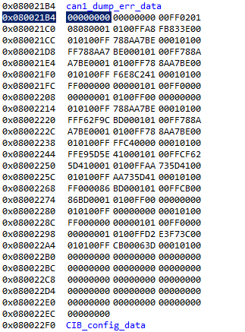
0x708 | 16 | F4 04 00 00 9C 61 BE FE
0x706 | 16 | FF FF C4 00 00 00 01 01
0x708 | 17 | F4 04 00 00 7C 63 BE FE
0x706 | 17 | FF E9 5D 5E 41 00 01 01
0x708 | 18 | F4 04 00 00 80 63 BE FE
0x706 | 18 | FF CF 62 5D 41 00 01 01
0x708 | 19 | F4 04 00 00 84 63 BE FE
0x706 | 19 | FF AA 73 5D 41 00 01 01
0x708 | 20 | F4 04 00 00 68 63 BE FE
0x706 | 20 | FF AA 73 5D 41 00 01 01
0x708 | 21 | F4 04 00 00 48 63 BE FE
0x706 | 21 | FF 00 00 86 BD 00 01 01
0x708 | 22 | F4 04 00 00 54 63 BE FE
0x706 | 22 | FF CB 00 86 BD 00 01 01
0x708 | 23 | F4 04 00 00 7C 65 BE FE
0x706 | 23 | FF 00 00 00 00 00 01 01
0x708 | 24 | F4 04 00 00 70 65 BE FE
0x706 | 24 | FF 00 00 00 00 00 01 01
0x708 | 25 | F4 04 00 00 74 65 BE FE
0x706 | 25 | FF 00 00 00 00 00 01 01
0x708 | 26 | F4 04 00 00 78 65 BE FE
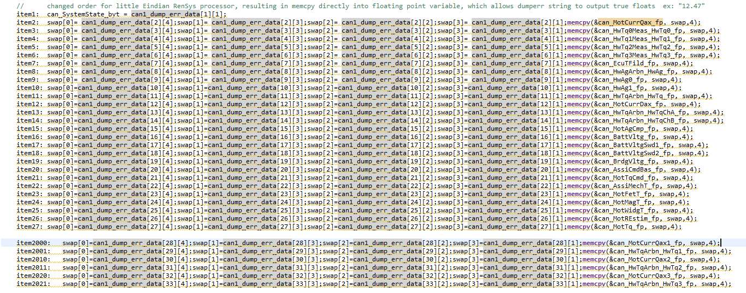
0x706 | 26 | FF 00 00 00 00 00 01 01
0x708 | 27 | F4 04 00 00 88 64 BE FE
0x706 | 27 | FF D2 E3 F7 3C 00 01 01
0x708 | 28 | F4 04 00 00 D8 64 BE FE
0x706 | 28 | FF CB 00 06 3D 00 01 01
0x242 | 1 | 02 10 7E 00 00 00 00 00
0x642 | 1 | 01 50 AA AA AA AA AA AA
0x242 | 2 | 03 22 FD 60 00 00 00 00
0x642 | 2 | 10 67 62 FD 60 00 00 FF
0x242 | 3 | 30 00 00 00 00 00 00 00
0x642 | 3 | 21 00 00 00 00 FF 00 00
0x642 | 4 | 22 00 00 FF 00 00 00 00
0x642 | 5 | 23 FF 00 00 00 00 FF 00
0x642 | 6 | 24 00 00 00 FF 00 00 00
0x642 | 7 | 25 00 FF 00 00 00 00 FF
0x642 | 8 | 26 00 00 00 00 FF 00 00
0x642 | 9 | 27 00 00 FF 00 00 00 00
0x642 | 10 | 28 FF 00 00 00 00 FF 00
0x642 | 11 | 29 00 00 00 FF 00 00 00
0x642 | 12 | 2A 00 FF 00 00 00 00 FF
0x642 | 13 | 2B 00 00 00 00 FF 00 00
0x642 | 14 | 2C 00 00 FF 00 00 00 00
0x642 | 15 | 2D FF 00 00 00 00 FF 00
0x642 | 16 | 2E 00 00 00 FF 00 00 AA

